Storage Configurator
SOFAR HV Storage System Configuration

Requirements |  |  |  | Difference |  |  | System Results

 | Requirement | Value |  | Requirement | Difference |  | Result | Total | 1st | 2nd | 3rd | 4th | 5th | 6th
 | Required grid power | 100.0 kW |  | Grid power | -90.0 kWh |  | Grid power | 10.0 kWh | 10.0
 | Required offgrid power | 50.0 kW |  | Offgrid power | -40.0 kWh |  | Offgrid power | 10.0 kWh | 10.0
 | Required PV power | 130.0 kW |  | PV power | -120.0 kWh |  | PV power | 10.0 kWh | 10.0
 | Required Charging power | 25.0 kW |  | Charging power | -19.5 kWh |  | Min. Charging power | 5.5 kWh | 5.5
 | Required usable capacity | 20.0 kWh |  | Usable capacity | -11.0 kWh |  | Max. Charging power | 6.9 kWh | 6.9
 |  |  |  |  |  |  | Usable capacity | 9.0 kWh | 9.0

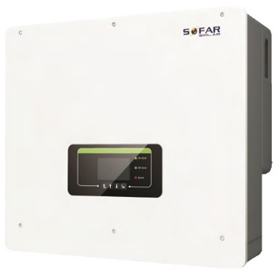
Products |  |  |  |  |  |  |  | Configuration
 |  |  |  |  |  |  |  |  | Put the number of products here for several configurations
 | Inverter | AC-Power | Offgrid Power | PV Power | Charging Power |  |  | Inverter | 1st | 2nd | 3rd | 4th | 5th | 6th
 | HYD 5KTL-3PH | 5.0 | 5 | 5 | 5 |  |  | HYD 5KTL-3PH
 | HYD 6KTL-3PH | 6.0 | 6 | 6 | 6 |  |  | HYD 6KTL-3PH
 | HYD 8KTL-3PH | 8.0 | 8 | 8 | 8 |  |  | HYD 8KTL-3PH
 | HYD 10KTL-3PH | 10.0 | 10 | 10 | 10 |  |  | HYD 10KTL-3PH | 1
 | HYD 15KTL-3PH | 15.0 | 15 | 15 | 15 |  |  | HYD 15KTL-3PH
 | HYD 20KTL-3PH | 20.0 | 20 | 20 | 20 |  |  | HYD 20KTL-3PH


 | Batteries | Modules | Usable Cap. | Rated Voltage | Min. Voltage | Max. Voltage |  | Batteries | 1st | 2nd | 3rd | 4th | 5th | 6th
 | GTX 3000-H4 | 4 | 9 | 204.8 | 182.4 | 230.4 |  | GTX 3000-H4 | 1
 | GTX 3000-H5 | 5 | 11.25 | 256.0 | 228.0 | 288.0 |  | GTX 3000-H5
 | GTX 3000-H6 | 6 | 13.5 | 307.2 | 273.6 | 345.6 |  | GTX 3000-H6
 | GTX 3000-H7 | 7 | 15.75 | 358.4 | 319.2 | 403.2 |  | GTX 3000-H7
 | GTX 3000-H8 | 8 | 18 | 409.6 | 364.8 | 460.8 |  | GTX 3000-H8
 | GTX 3000-H9 | 9 | 20.25 | 460.8 | 410.4 | 518.4 |  | GTX 3000-H9
 | GTX 3000-H10 | 10 | 22.5 | 512.0 | 456.0 | 576.0 |  | GTX 3000-H10

